Admin


 | ADMIN

C:\Users\KPETOE-USER\Desktop\ASSET MANAGER\Staff Pics | Asset Pic Folder | C:\Users\GLNS\Desktop\GRA\Final Asset Manager\ASSET MANAGER\Asset Pics
 | Staff Folder | C:\Users\GLNS\Desktop\ASSET MANAGER\Asset Pics

 | Vendors |  | Locations | Types | Condition | Status | Jobsite/Area | Repair/Adj. Type | Search By
 | Fredders Supplies |  | Admin REGISTRY OFFICE 107 | Supplies | Excellent | Available | Project Site | Depreciation | Item #
 |  |  | Admin PHOTOCOPIER ROOM | Small Machine | GOOD | In Repair | Recruit Lines
 | IT Supply Center |  | Kitchen | Electronics | Fair | Checked Out | LOW COST Baracks | Appreciation | Asset Name
 | Staples Store |  | FEMALE BLOCK | Furniture | Poor | Broken | OFFICERS MESS | Repair | Notes
 |  |  | DANIDA BUILDING | Vehicle | Broken |  | BARACKS | Maintenance | Condition
 |  |  | GYIMAH-ASANTE BLOCK | Tools
 |  |  | Dining Hall | Computer |  |  |  | Cleaning Service
 |  |  | MALE BLOCK | Machines
 |  |  | Cafetaria | Equipment
 |  |  | AUDITORIUM
 |  |  | OLD ADMIN DIRL INSTRUCTOR'S OFFICE
 |  |  | OLD ADMIN CLINIC
 |  |  | OLD ADMIN LIBRARY
 |  |  | Kitchen
 |  |  | STORES
 |  |  | Transport
 |  |  | GUARDROOM
 |  |  | down stores
 |  |  | DRILL INSTRUCTOR'S OFFICE

 |  |  | Old Admin LIBRARY
 |  |  | COMMANDANT OFFICE (101A)
 |  |  | DEPUTY COMMANDANT
 |  |  | ACADEMY SERGENT MAJOR
 |  |  | Admin WAITING ROOM
 |  |  | CONFERENCE ROOM 102B
 |  |  | G4 QUARTER MASTER
 |  |  | Admin CORRIDOR
 |  |  | Admin G5 COMMUNICATIONS
 |  |  | Admin G11 (COMMANDANT'S STORES)
 |  |  | Admin ACCOUNT OFFICE
 |  |  | CHIEF INSTRUCTOR 106A
 |  |  | Admin CHIEF Instructor (106B)
 |  |  | CHIEF INSTRUCTOR OFFICE
 |  |  | Admin KITCHEN
 |  |  | Admin RECEPTION
 |  |  | Admin G3 STORES
 |  |  | Admin DISTRIBUTION ROOM (111)
 |  |  | Admin G8-DISTRIBUTION ROOM
 |  |  | Admin G7-OFFICE
 |  |  | Admin G9-OFFICE
 |  |  | Admin OFFICE-G10
 |  |  | Admin OFFICE-G11
 |  |  | Admin OFFICE-G12
 |  |  | Admin OFFICE-G13
 |  |  | Admin OFFICE-G14
 |  |  | Admin OFFICE-G15
 |  |  | Admin 103A SECRETARIAT
 |  |  | Admin 103B ADJUTANT
 |  |  | Admin Office (105)
 |  |  | Admin IT ROOM (113)
 |  |  | AUDITORIUM

Asset Mgr
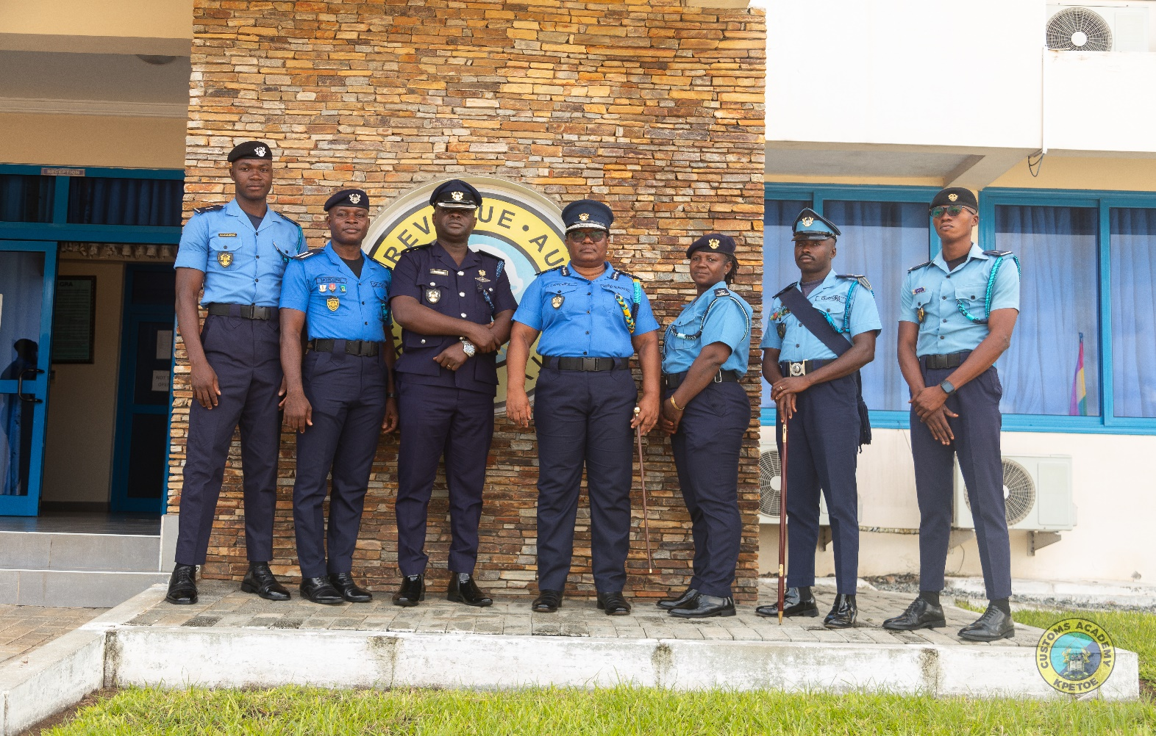
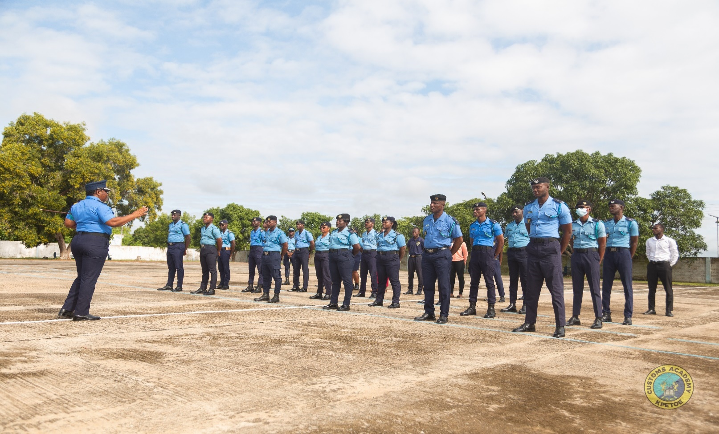
Refresh
Clear
GRA ACADEMY ASSET & TOOL MANAGER
Make Adjustments
New Asset
Save Asset
Delete Asset
 |  |  | ASSET & TOOL LIST
Asset ID | 5446 |  | Search By | Asset Name
Asset Row | 5449 |  | Filter By | Status |  | Location | Admin 103B ADJUTANT | General Info |  | Adjustments & Repairs |  |  |  |  |  |  | Adjustments 12-Month History
Next ID | 5722 |  | Item # | Asset Name | Status | Return Due | Location |  |  |  |  |  |  |  |  |  | Month | Amount
Sel. Row | 17 | 5421 | GRA/VR/AC/OF/055/22 | WOODEN CABINET | Available |  | Admin 103B ADJUTANT |  | Name | MICROWAVE |  | Barcode/Item # | GRA/VR/AC/OE/076/22 | Asset Picture |  |  | May-24 | $-
Asset Valuation & Costing
Add Picture
Clear Picture
 |  | 5422 | GRA/VR/AC/OF/056/22 | L-SHAPED 2.0 DESK | Available |  | Admin 103B ADJUTANT |  | Manufacturer |  |  | Model | SHARP |  |  |  | Apr-24 | $-
 |  | 5423 | GRA/VR/AC/OF/057/22 | SOFA 2-IN-1 | Available |  | Admin 103B ADJUTANT |  | Serial # |  |  | Type | Equipment |  |  |  | Mar-24 | $-
 |  | 5424 | GRA/VR/AC/OF/056A/22 | SIDE CABINET | Available |  | Admin 103B ADJUTANT |  | Condition | GOOD |  | Location | Admin 103B ADJUTANT |  |  |  | Feb-24 | $-
Next. Adj. ID | 42 | 5425 | GRA/VR/AC/OF/058/22 | METAL CABINET | Available |  | Admin 103B ADJUTANT |  | Status | Available |  | Last Adjust. |  |  |  |  | Jan-24 | $-
Sel. Adj. Row | 11 | 5426 | GRA/VR/AC/OF/132/22 | KITCHEN CABINET | Available |  | Admin 103B ADJUTANT |  | Notes |  |  |  |  | Microwave.jpg |  |  | Dec-23 | $-
 |  | 5441 | GRA/VR/AC/OE/026/22 | MONITOR | Available |  | Admin 103B ADJUTANT |  |  |  |  |  |  |  |  |  | Nov-23 | $-
Check Out
Add Months | 0 | 5442 | GRA/VR/AC/OE/027A/22 | AIR CONDITIONER | Available |  | Admin 103B ADJUTANT |  |  |  |  |  |  | Check Out | Return Due |  | Oct-23 | $-
Add Years | 0 | 5443 | GRA/VR/AC/OE/028/22 | FRIDGE | Available |  | Admin 103B ADJUTANT |  |  |  |  |  |  |  |  |  | Sep-23 | $-
Next Adj. | 2024-05-10 | 5444 | GRA/VR/AC/OE/029/22 | TELEPHONE | Available |  | Admin 103B ADJUTANT |  | Original Cost |  |  | Total App/Dep | $- | Checked Out By: |  |  | Aug-23 | $-
 |  | 5445 | GRA/VR/AC/OE/030/22 | CEILING FAN | Available |  | Admin 103B ADJUTANT |  | Current Value | $0.00 |  | Repairs/Adjst | $- | Jobsite/Area |  |  | Jul-23 | $-
Staff Row |  | 5446 | GRA/VR/AC/OE/076/22 | MICROWAVE | Available |  | Admin 103B ADJUTANT |  |  |  |  |  |  | Checked Out Details |  |  | Jun-23 | $-
Staff Pic |  | 5447 | GRA/VR/AC/OE/077A/22 | KETTLE | Available |  | Admin 103B ADJUTANT |  |  |  |  |  |  |  | Name: | 0
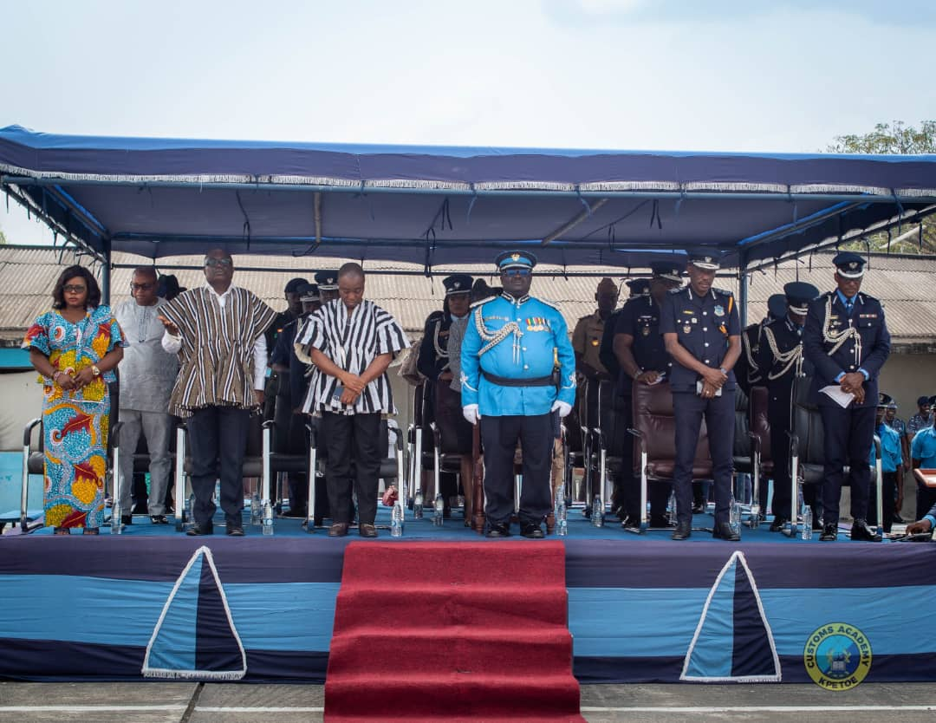
Staff Email |  | 5448 | GRA/VR/AC/OE/077B/22 | KETTLE | Available |  | Admin 103B ADJUTANT |  | Set Automated Depreciation |  | every |  |  |  | Email:
Staff Phone |  |  |  |  |  |  |  |  | asset every by |  |  |  | Next Adj.: 05/10/24 |  | Phone:

ADJUSTMENTS - LAST 12 MONTHS

